Taverns & Align
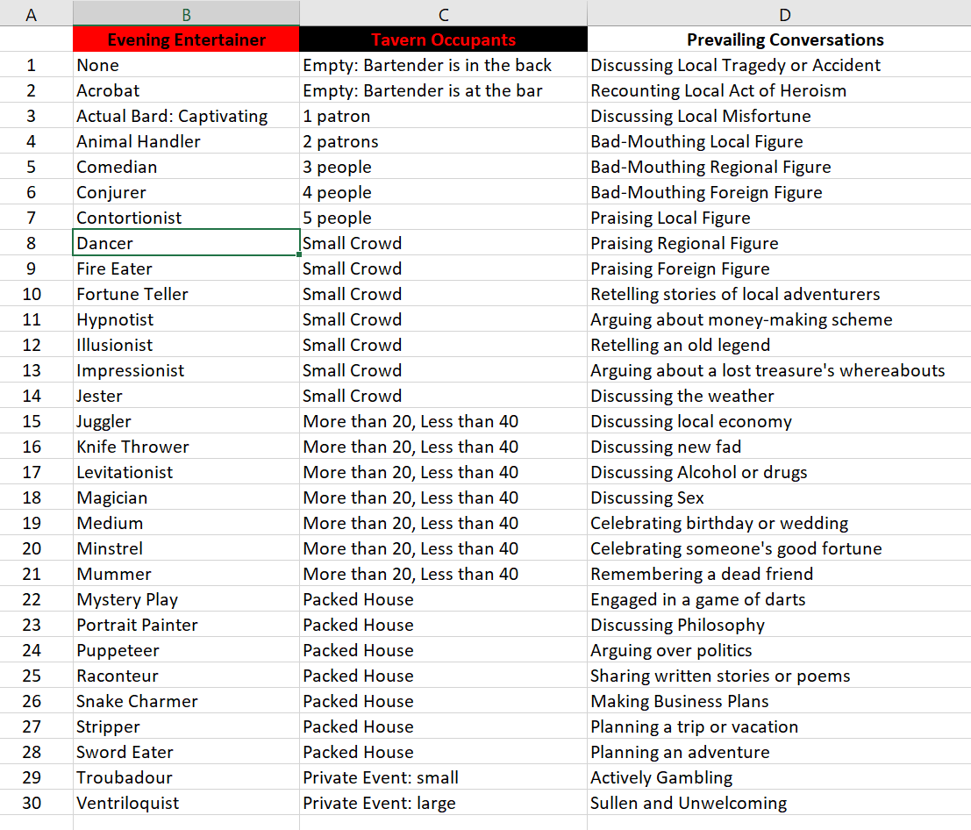
① LAWFUL | ...GOOD
In lieu of perfect wisdom we have laws. Laws are the wisdom we've managed to accumulate. There is no practical alternative... | ...with this belief, I strive for the fulfillment and happiness of all.

② IDEALIST | ...NEUTRAL
To cease believing in an ideal is to remain damned. At best, laws are only surrogates for wisdom. [Universalism]|[Balance]|[Nihilism] is the key... | ...and the path is simple. Tit-for-tat is a prudent and universal principal: good for the universe and good for me.

③ CHAOTIC | ...EVIL
My desires give meaning to this existence... | ...I leverage this to pursue my interests at the expense of anyone or anything that comes to hand.

